Sheet1
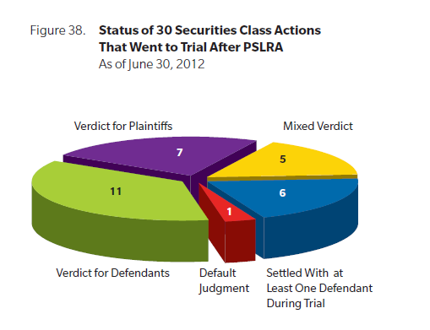
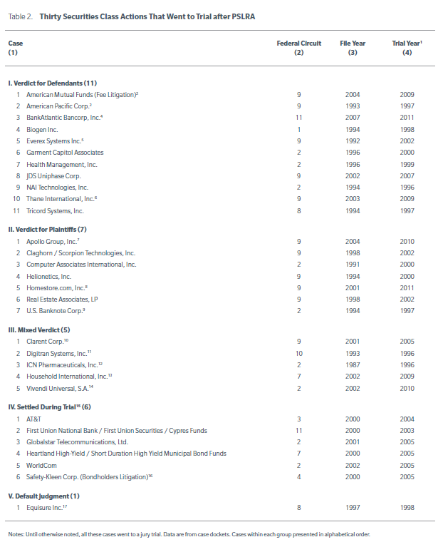
Source: InfoLaw.com | Nortel networks | Nortel was a leading supplier of fiber-optic equipment to emerging Internet companies. After the Internet bust caused the company’s sales to vanish, the company started creating false accounting entries showing steady equipment sales. When the fraud was uncovered, Nortel’s stock eventually fell to $0.47 from a high of $124.

 | AOL Time Warner | Investors in AOL Time Warner stock sued the company for fraud under federal securities law. The company was alleged to have improperly accounted for dozens of advertising transactions between 1998 and 2002.
 |  | The alleged transactions created the appearance that they were generating revenue when, in reality, were just shifting money back and forth. The alleged false earnings statements inflated the company’s value by $1.7 billion.

 | Cendant | A lawsuit representing all investors who held stock in Cendant from May 31, 1995 through Aug. 28, 1991, was filed against the company for securities fraud. In 1998, Cendant disclosed that for the prior 10 years the company had been fraudulently overstating its income by up to $500 million. Executives created false profit statements which caused an increase in the value of the company’s stock.

 |  | When the false profits were discovered, the value of the company collapsed. In addition to being sentenced to jail, former Vice Chairman Kirk Shelton was ordered to reimburse Cendant $3.27 billion at a monthly rate of $2,000.

 | Tyco International | A series of class-action lawsuits were filed against Tyco International Ltd., former officers and directors of Tyco, and PricewaterhouseCoopers, alleging that these individuals and entities made false and misleading public statements and omitted material information about Tyco's finances in violation of Sections 10(b), 14, 20A and 20(a) of the Securities Exchange Act of 1934.

 | World Com | This class-action lawsuit represented investors who held World Com stock from April 29, 1999 through June 25, 2002. Lawsuits were initiated against World Com, and individual employees Bernard Ebbers (CEO), Scott Sullivan (CFO) David Myers (Controller) and Buford Yates (Accounting Director) for fraud.

 |  | The main charges of fraud stemmed from improperly classifying expenses as “capital costs” and inflating revenue statements with false entries. The Securities and Exchange Commission (SEC) later stated that the earnings and assets had been falsely stated by over $11 billion.

 | Enron | Investors in Enron corporate stock filed lawsuits under both federal and state securities laws against Enron Corporation, individual Enron officers and directors, Enron’s accountant Arthur Anderson, individual Arthur Anderson partners and employees, and Enron’s former law firm Vinson & Elkins.

 |  | The lawsuit’s primary contention was that Enron engaged in fraud by concealing from investors losses by Enron-controlled special purpose entities (the Raptors). Because Enron’s primary corporate losses were attributed to these entities, those losses were not disclosed in annual reports or SEC filings.

 |  | In total, the $7.2 billion in settlements reached by Enron to compensate shareholders whose stock became worthless during the company collapse is the largest payout to date in a shareholder securities class action.

 | How long does it take for a class action to be resolved?
 | Until the litigation is under way, this is impossible to determine. We have had cases resolve in six months or last six years. In our experience, a typical class action case takes approximately two to three years from the time the complaint is filed until a case concludes either with settlement funds distributed to plaintiffs, or by judgment or dismissal. Remember, this is only an estimate; some cases have taken longer, especially when there are appeals, while others have taken significantly less time to resolve. Some factors include the length of time the court takes to make decisions, the number of parties and the complexity of the fraud.

 |  | Table 1: Case Outcomes |  | Figure 1: Settlement Timing—By Phase of Litigation
 |  | (Cases filed 2000-2010 and resolved by 2013) |  | (Settlements in cases filed 2000-2010)
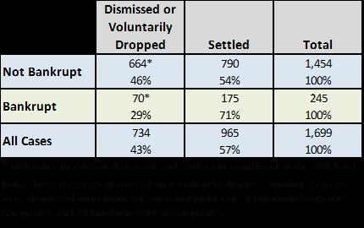
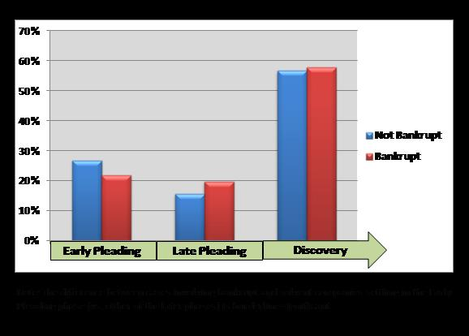

 |  | Source: http://www.dandodiary.com/2013/12/articles/class-action-settlements/guest-post-bankruptcy-in-securities-class-actions-case-outcomes-individual-liability-and-side-a-protection/

 |  | Every dollar spent on defense costs is a dollar that will be unavailable in a settlement.
 |  | On the other hand, the bankruptcy process and the involvement of separate defense lawyers for the company and for individual defendants may create complications that delay settlement. In addition, perhaps defense lawyers use the shrinking nature of potential settlement funds as leverage, continuing to threaten to extend the litigation (at no cost to themselves), in order to secure a lower settlement for their clients.

 |  | without D&O insurance, individual officers and directors likely would have had to contribute toward settlement out of their personal assets much more frequently, and in some cases the costs to the individuals could have been severe.
 |  | out-of-pocket payments are rare.

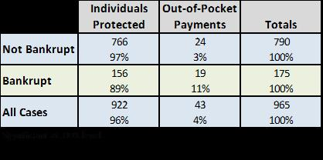

 |  | In sum, cases involving bankrupt companies are different from cases against solvent companies. They are dismissed less often and they therefore settle more often. They also take longer to settle than do cases involving solvent companies. Finally, and not surprisingly, officers pay into settlements in these cases somewhat more often than they do in cases against solvent companies. On the whole, however, D&O insurance provides substantial protection to individuals in these cases, and additional Side A coverage might have provided full protection for the individuals that paid out of pocket apparently.

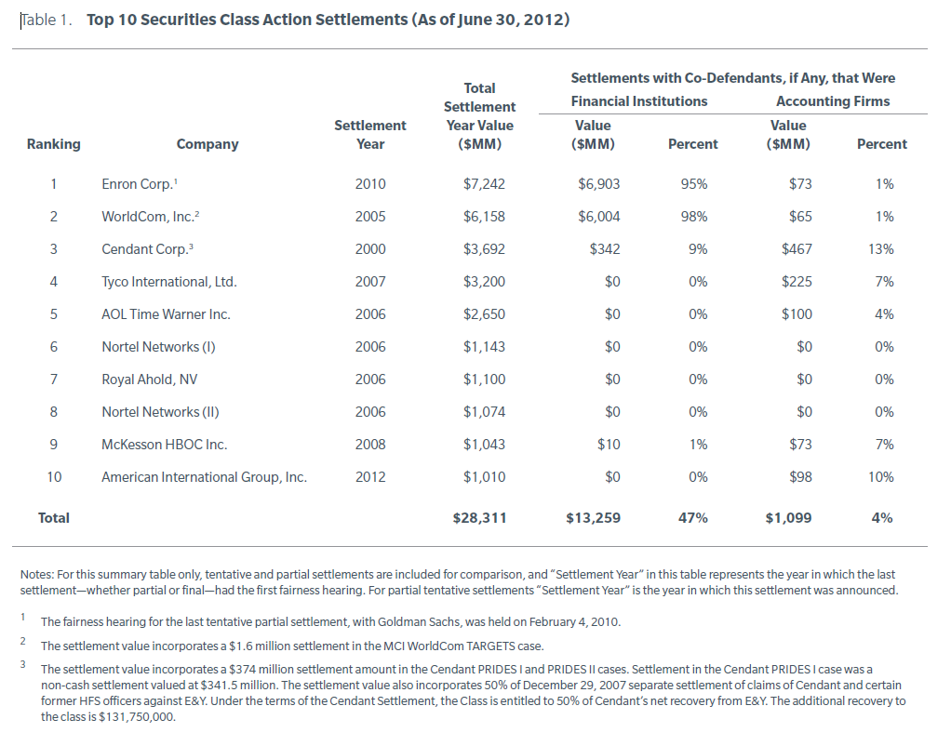

 |  | Source: Recent Trends in Securities Class Action Litigation: 2012 Mid-Year Review Settlements bigger, but fewer By Dr. Renzo Comolli, Dr. Ron Miller, Dr. John Montgomery, and Svetlana Starykh

 |  | Historically, “investor losses” have been a powerful predictor of settlement size. As noted above, NERA’s investor losses variable is a proxy for the aggregate amount that investors lost from buying the defendant’s stock rather than investing in the broader market during the alleged class period. Investor losses can explain more than half of the variance in the settlement values in our database.20
 |  | In general, settlement sizes grow as investor losses grow, but the relationship is not linear. In particular, settlement size tends to rise less than proportionately, so small cases typically settle for a higher fraction of investor losses (i.e., more cents on the dollar) than larger cases. For example, cases with investor losses below $20 million on average settle for 37.3% of investor losses, while cases with investor losses over
 |  | $10 billion settle for an average of 2.2% percent of investor losses.

 |  | Note that the investor losses variable is not a measure of damages since any stock that underperforms the S&P 500 would have “investor losses” over the period of underperformance; rather it is a rough proxy for the relative size of investors’ potential claims. Thus, our findings on the ratio of settlement to investor losses should not be interpreted as the share of damages recovered in settlement but rather as the recovery compared to a rough measure of the “size” of the case.

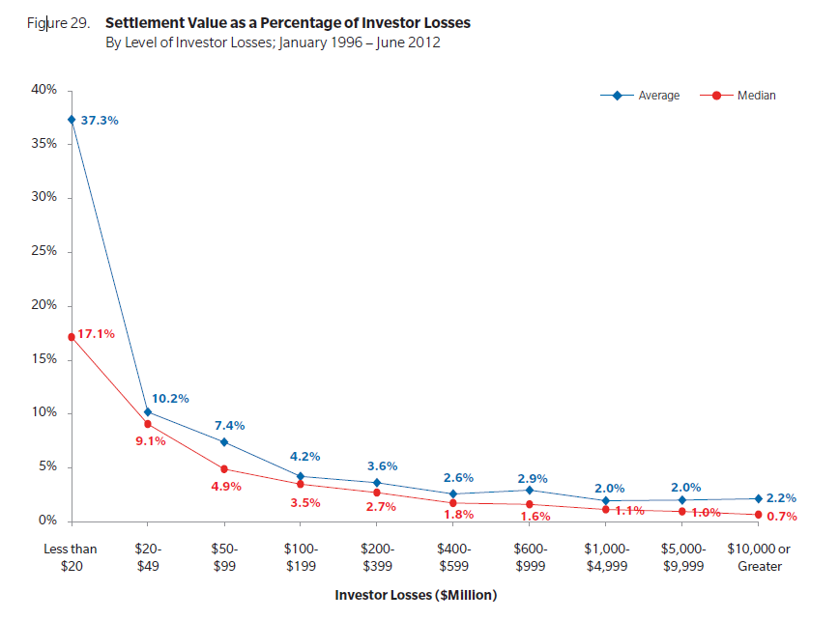
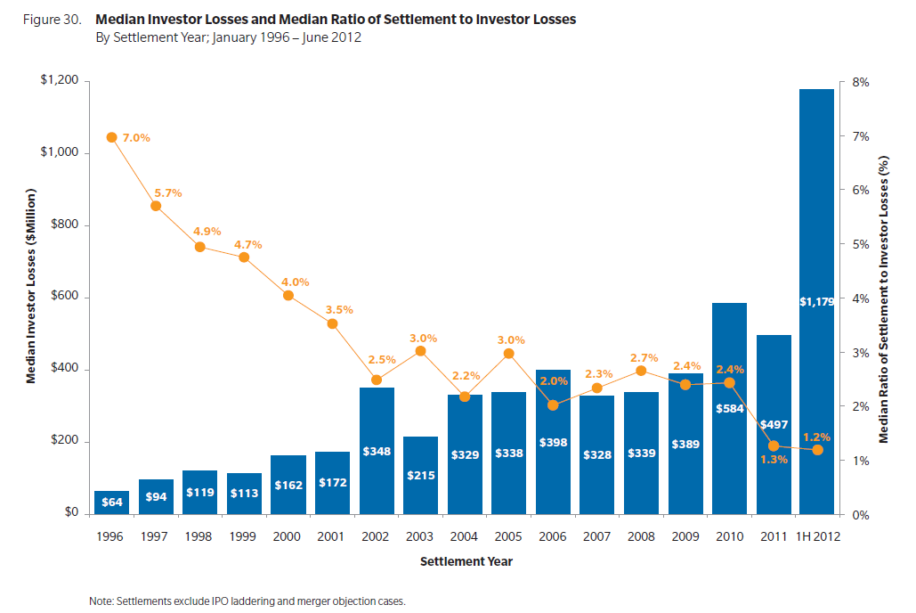

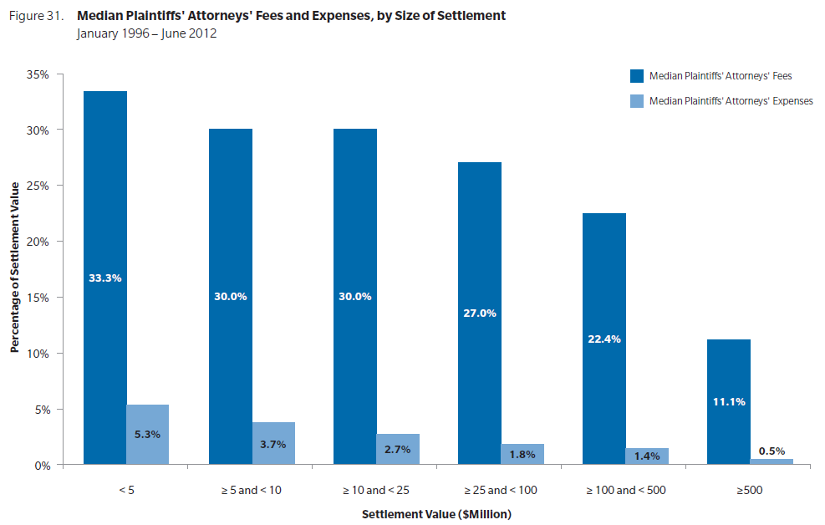
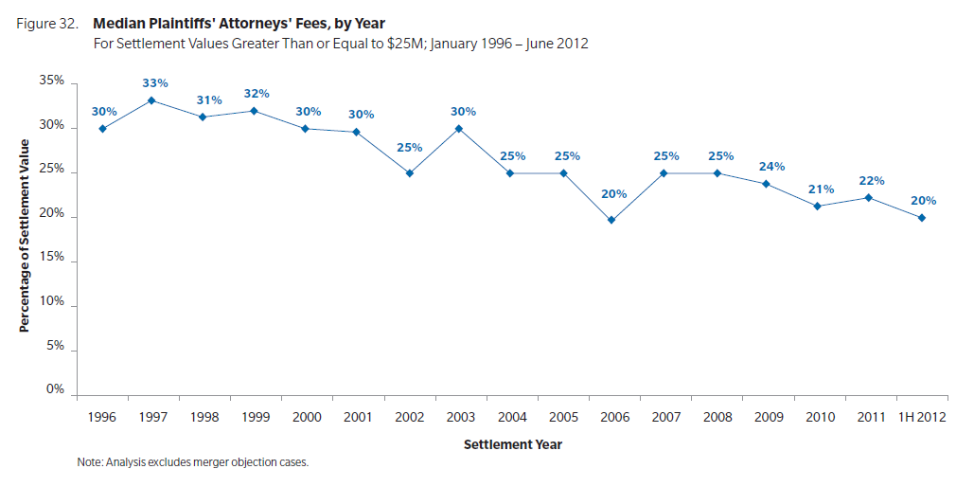

 |  |  | Trials
 |  |  | Few securities class actions proceed to trial, though those that do tend to attract a great deal of attention. Fewer still get all the way to a verdict. So it is not surprising that there have been no trials or verdicts so far in 2012 that we know of. Since the passage of the PSLRA in late 1995, there have been only 30 securities class action trials, as compared to a total of over 3,909 filings. Figure 38 summarized the status of cases that have gone to trial and Table 2 provides details.

